WOMENS BOTTOMS
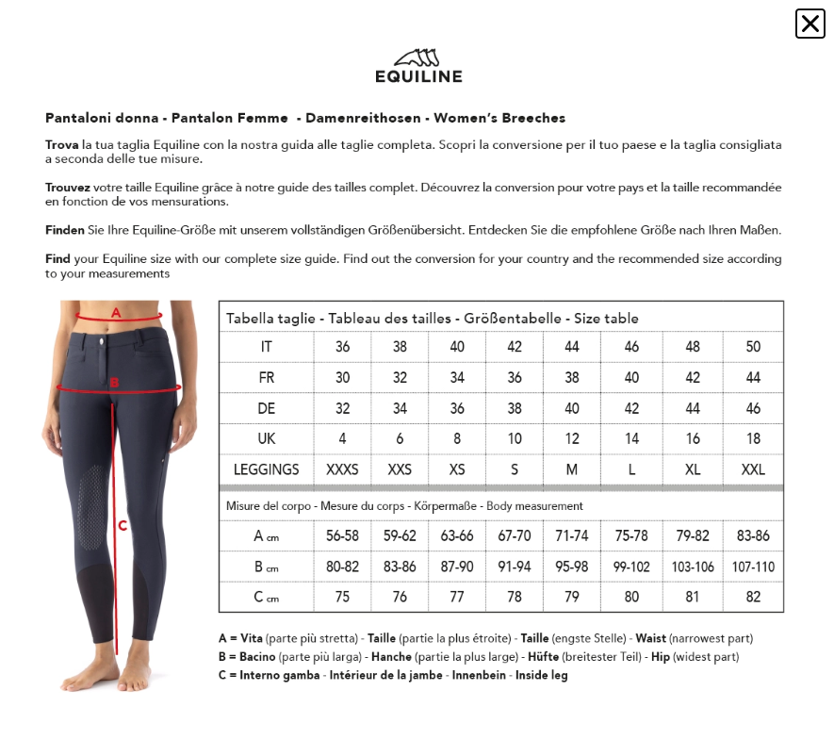
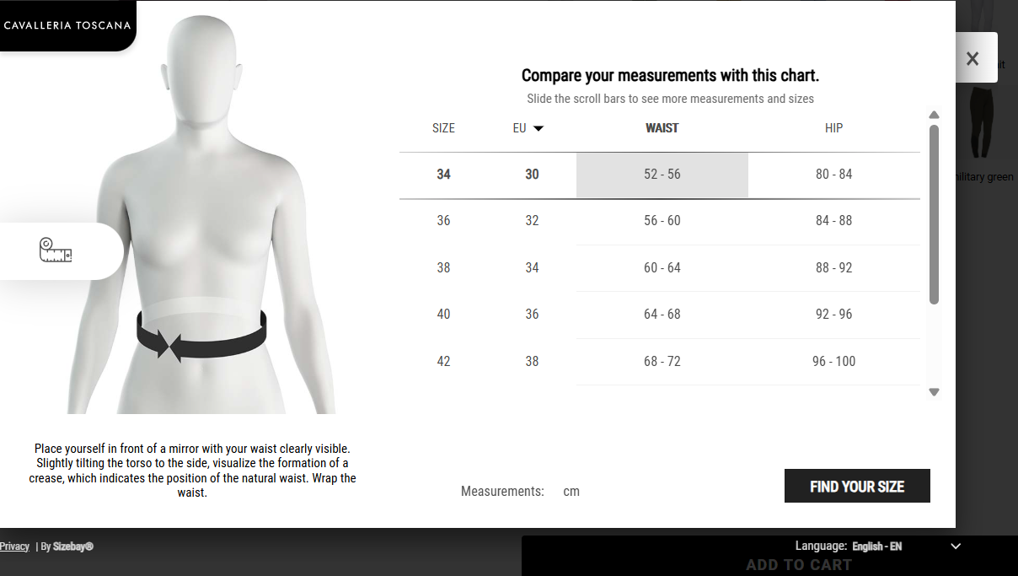
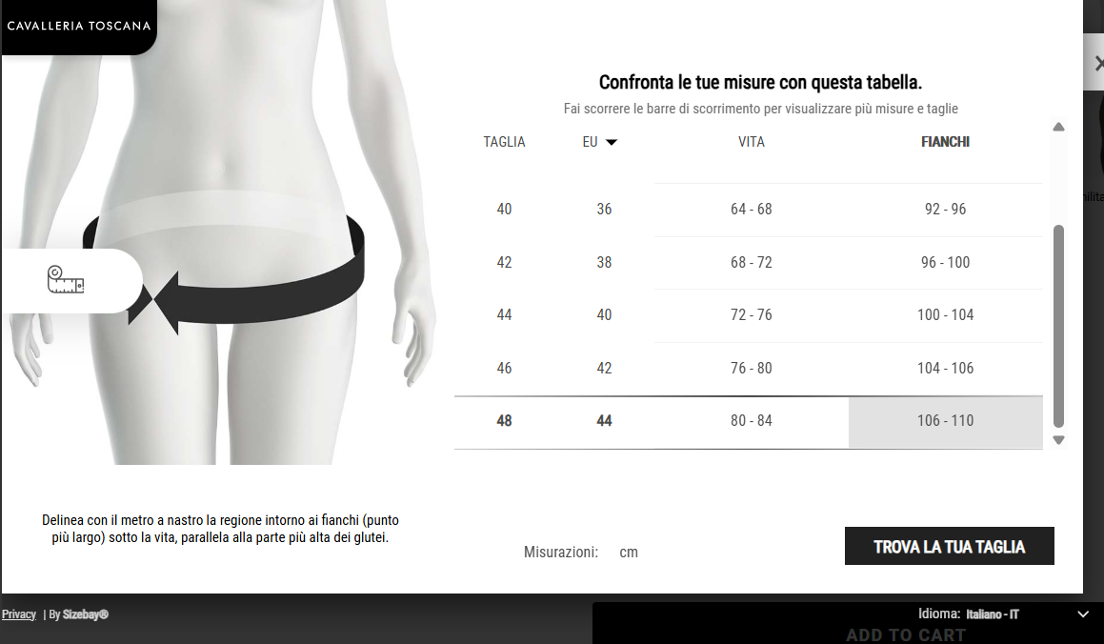
CSM WOMEN'S BREECHES AND LEGGINGS INT. SIZE COMPARISON CHART
EU | 32/34 | 34/36 | 36/38 | 38/40 | 40/42 | 42/44 | 44/46
INT | XXS | XS | S | M | L | XL | XXL
IT | 36 | 38 | 40 | 42 | 44 | 46 | 48
GER | 32 | 34 | 36 | 38 | 40 | 42 | 44
FR | 30 | 32 | 34 | 36 | 38 | 40 | 42
US | 0 | 2 | 4 | 6 | 8 | 10 | 12
UK | 4 | 6 | 8 | 10 | 12 | 14 | 16

MENS TOPS
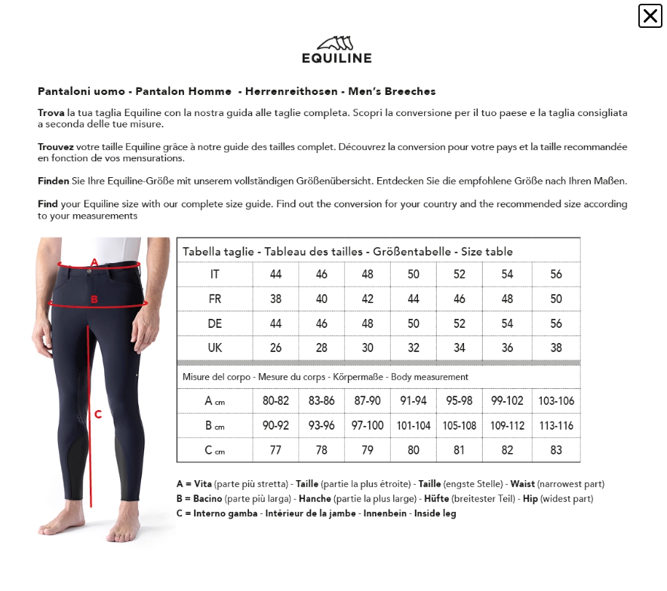
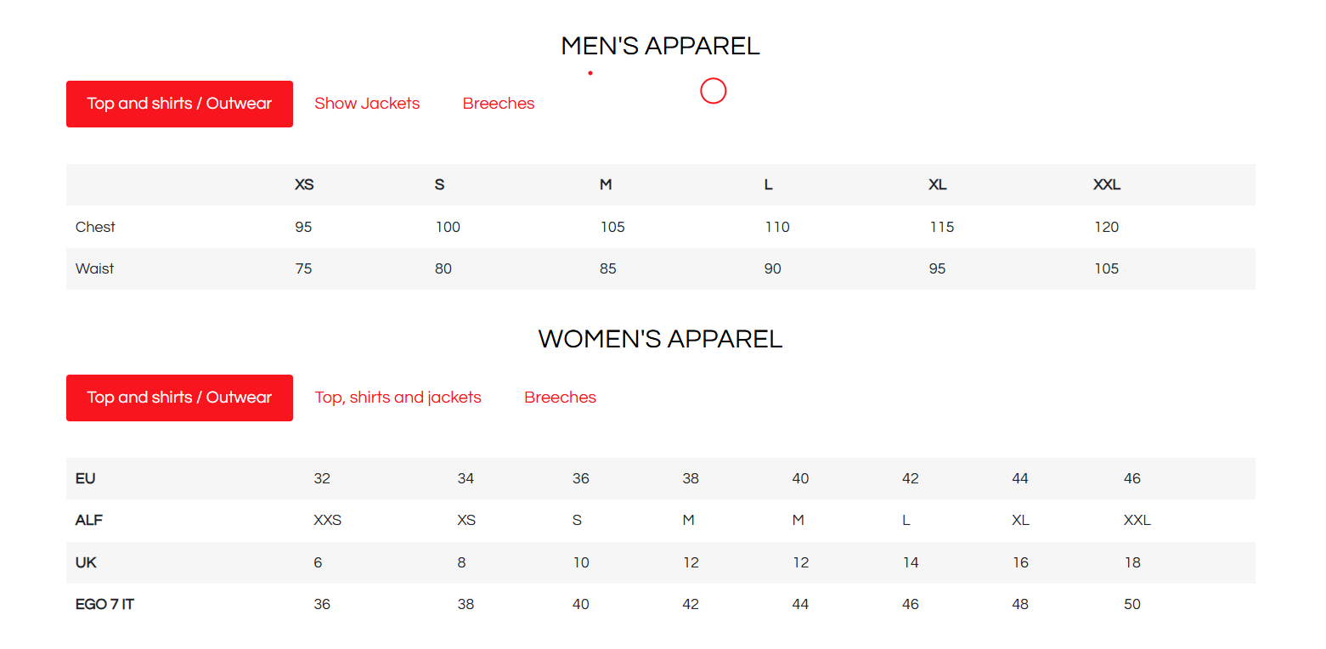
M

old
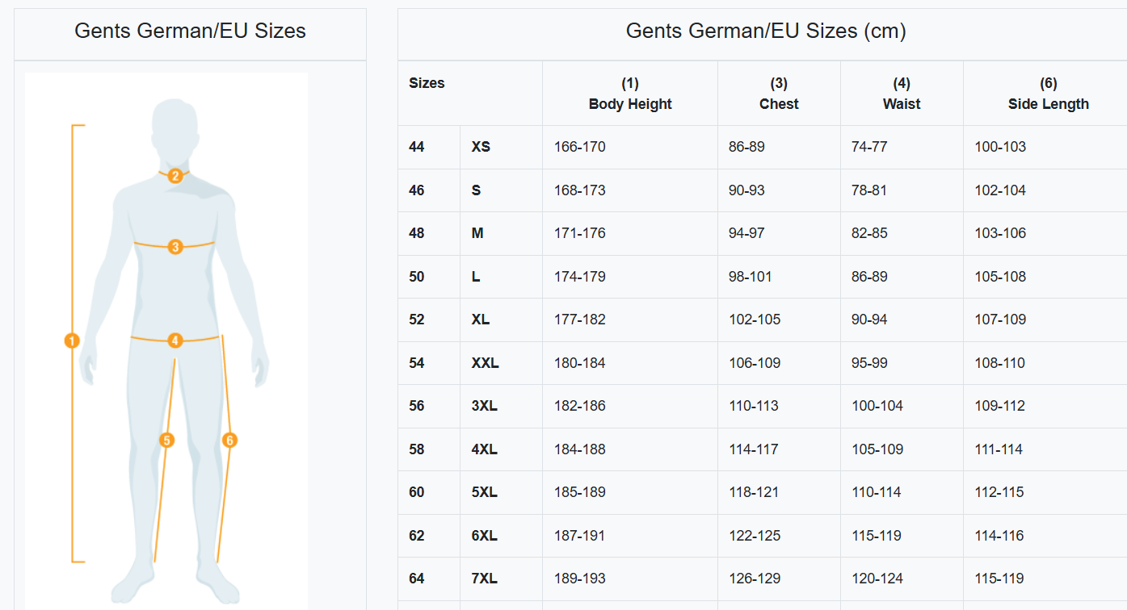
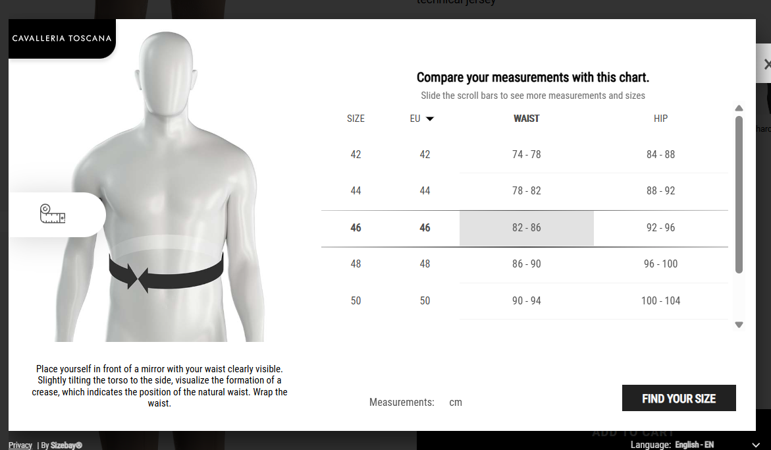
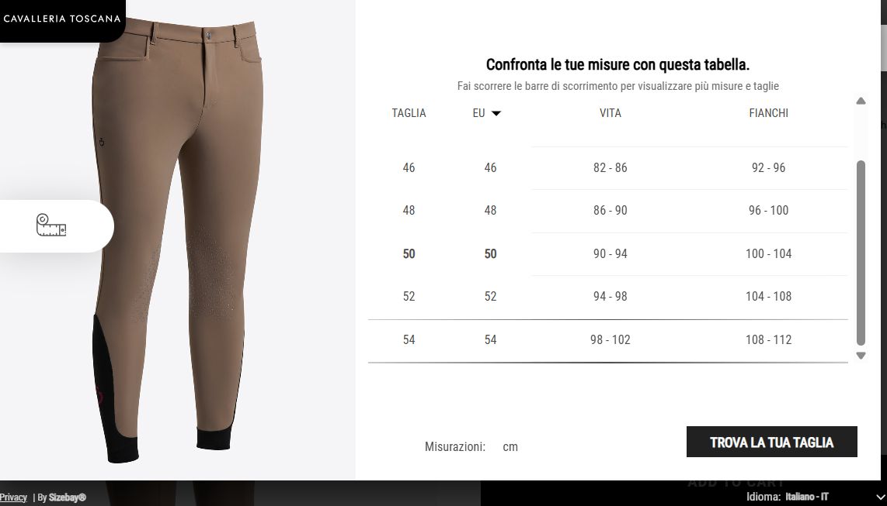
CSM WOMEN'S BREECHES AND LEGGINGS SIZE GUIDE
EU | 32/34 | 34/36 | 36/38 | 38/40 | 40/42 | 42/44 | 44/46
INT | XXS | XS | S | M | L | XL | XXL
IT | 36 | 38 | 40 | 42 | 44 | 46 | 48
GER | 32 | 34 | 36 | 38 | 40 | 42 | 44
FR | 30 | 32 | 34 | 36 | 38 | 40 | 42
US | 0 | 2 | 4 | 6 | 8 | 10 | 12
UK | 4 | 6 | 8 | 10 | 12 | 14 | 16

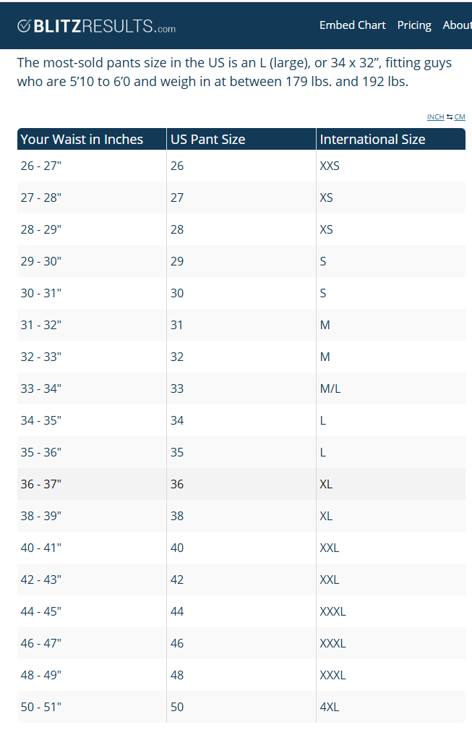
CSM MEN'S BREECHES SIZE GUIDE
EU | 44 | 46 | 48 | 50 | 52 | 54
INT | XS | S | M | L | XL | XXL
IT | 44 | 46 | 48 | 50 | 52 | 54
GER | 44 | 46 | 48 | 50 | 52 | 54
FR | 44 | 46 | 48 | 50 | 52 | 54

